Instructions
Culture Assessment Tool

Overview
This workbook will help you assess your lab's current culture and the critical gaps between the current and needed cultures.

The goal is to help you pinpoint which dimensions of the culture you should focus on for improvement, and which behaviors will have the greatest impact.

The assessment will take approximately 15 minutes to fill out. It will provide you with a graph of the strength of your culture along seven dimensions.
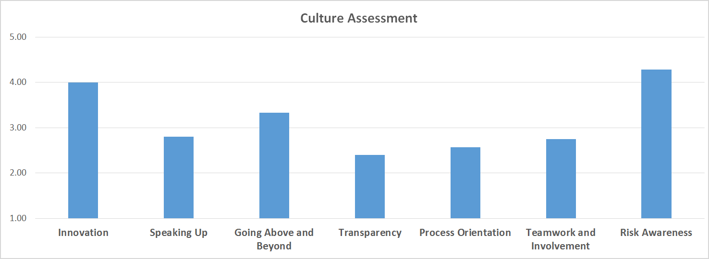
Directions
There are five active worksheets in this tool.

Your job is to input responses on the first worksheet, 'Current Culture', then view results on the next two, 'Graph' and 'Gaps'.

 | The 'Current Culture' worksheet presents you with a list of statements.
 |  | Each statement describes a behavior.
 |  | For each behavior, you will indicate how accurately it describes the current practice.
 |  | You will indicate this by typing an 'X' in the column that best matches your laboratory.
 |  | Columns range from 1 (Never Occurs -- i.e., this behavior never occurs in our lab) to 5 (Always Occurs -- i.e., this behavior is prevalent in our lab).

When you have completed the worksheet, you can view the results in four formats.

 | On the 'Graph' worksheet, you can view the dimension-level results.
 |  | Example: How Process-Oriented is my lab's current culture?

 | On the 'Gaps' worksheet, you can view the statement-level results.
 |  | Example: How does my lab perform on "Personnel at all levels support change", compared to the ideal, and how big is the gap?

 | On the 'Gaps - Sort by Size' worksheet, you can sort the gaps between current and ideal by following the instructions on the page.
 |  | Example: Which of these behaviors does our lab need to work on the most? [Sort by Gap, largest to smallest]

 | On the 'Aggregation Worksheet', you can combine multiple lab members' assessment results to obtain a lab-level view of the culture.
 |  | Example: How do the members of our lab view the culture's level of "Teamwork and Involvement"?

© 2018 College of American Pathologists. All rights reserved.

Graph
This graph will populate once the previous worksheet has been completed.
Culture Assessment
 | Current Culture
Innovation | 0.00
Speaking Up | 0.00
Going Above and Beyond | 0.00
Transparency | 0.00
Process Orientation | 0.00
Teamwork and Involvement | 0.00
Risk Awareness | 0.00

 | Innovation | Speaking Up | Going Above and Beyond | Transparency | Process Orientation | Teamwork and Involvement | Risk Awareness
Current Culture

Gaps - Sort by Size
 | To sort the gaps by size and/or interpretation, paste the values from the previous worksheet '(Gaps') into the cells below. |  |  |  |  |  | Need MORE of this
 | See instructions at right --> . |  |  |  |  |  | Need LESS of this
 | Behavior | Dimension | Positive / Negative Load on Dimension | Current Culture | Deviation from Ideal | SORTING INSTRUCTIONS
1 |  |  |  |  |  | Microsoft Excel will not sort cells that contain calculations. The 'Gaps' table contains several calculations.
2 |  |  |  |  |  | To work around this, you must first transfer the values from 'Gaps' to the table at left, then specify your sort criteria.
3 |  |  |  |  |  | 1. On the 'Gaps' worksheet, select the entire table (B3:G102).
4 |  |  |  |  |  | 2. Copy the contents of the table ('control+C', 'command+C', or 'Copy' from the ribbon).
5
6
7
8
9
10
11
12 |  |  |  |  |  | 3. On this 'Gaps - Analytics' worksheet, select the same cells (B3:G102).
13 |  |  |  |  |  | 4. Right-click on the selection and choose 'Paste-Special'.
14
15
16
17
18
19
20
21 |  |  |  |  |  | 4. Select 'Values' in the dialog box, and click the 'OK' button.
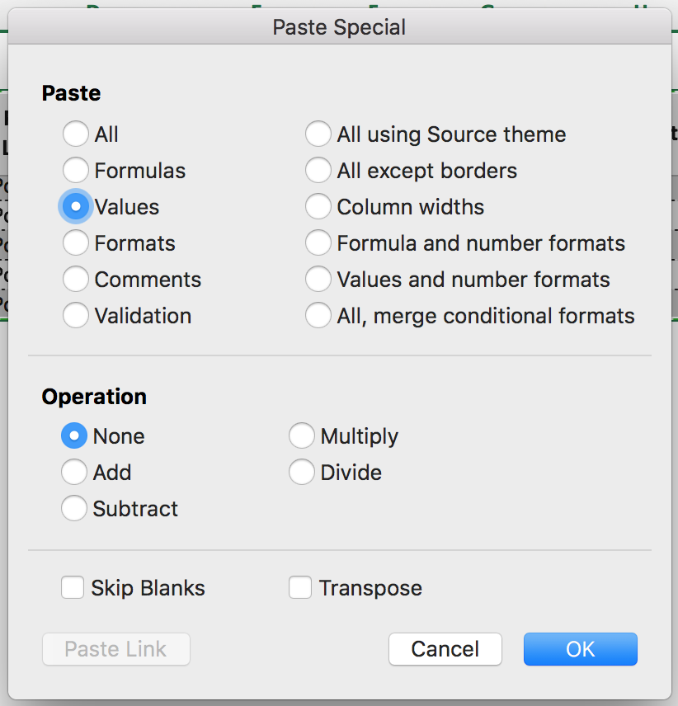
22
23
24
25
26
27
28
29
30
31
32
33
34
35
36
37
38 |  |  |  |  |  | 5. On the 'Data' tab in the ribbon, click the 'Sort' button.
39
40
41
42
43
44 |  |  |  |  |  | 6. Select the column you want to sort by (e.g., "Difference") and the order (e.g., "Largest to Smallest"), then click 'OK'.
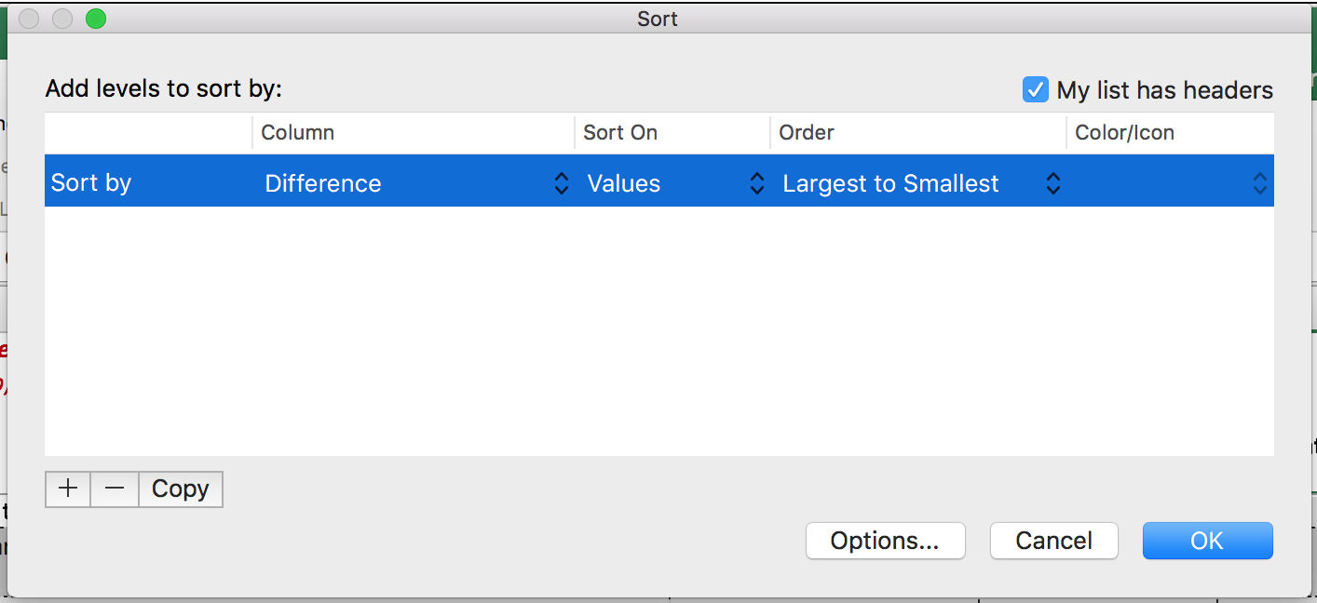
45
46
47
48
49
50
51
52
53
54
55
56
57
58
59
60
61
62
63
64
65
66
67
68
69
70
71
72
73
75
76
77
78
79
80
81
82
83
84
85
86
87
88
89
90
91
92
93
94
95
96
97
98
99
110

Aggregation Worksheet
If you would like to combine multiple lab members' responses into a single "lab view" of the culture, this worksheet will help you aggregate individual scores.
NOTE: Lab members may be sensitive about sharing their individual responses with another member of the lab.
For this reason, we recommend assigning a neutral third party to collect and aggregate the responses,
or allowing individuals to enter their values into a shared document (e.g., Google Sheet, common file on Dropbox) anonymously.

INSTRUCTIONS:
Beneath the graph and table of aggregated values immediately below is a table for data entry, one row for each lab member.
Enter the scores for each individual lab member into a separate row.
Once you begin entering scores in the first row, the lab-level graph and table will populate with the aggregated results.
Culture Assessment: Lab Level (Aggregated Responses)
 | Current Culture
Innovation | 0.00
Speaking Up | 0.00
Going Above and Beyond | 0.00
Transparency | 0.00
Process Orientation | 0.00
Teamwork and Involvement | 0.00
Risk Awareness | 0.00

LAB LEVEL | Innovation | Speaking Up | Going Above and Beyond | Transparency | Process Orientation | Teamwork and Involvement | Risk Awareness
Current Culture

ENTER, PASTE, OR LINK TO THE SCORES FOR INDIVIDUAL LAB MEMBERS IN THE TABLE BELOW.

CURRENT CULTURE BY LAB MEMBER
 | Innovation | Speaking Up | Going Above and Beyond | Transparency | Process Orientation | Teamwork and Involvement | Risk Awareness
Lab Member 1
Lab Member 2
Lab Member 3
Lab Member 4
Lab Member 5
Lab Member 6
Lab Member 7
Lab Member 8
Lab Member 9
Lab Member 10
Lab Member 11
Lab Member 12
Lab Member 13
Lab Member 14
Lab Member 15
Lab Member 16
Lab Member 17
Lab Member 18
Lab Member 19
Lab Member 20

